Cover
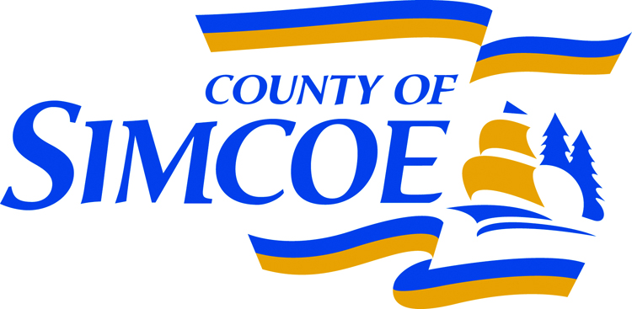
 |  |  |  | County of Simcoe |  |  |  | Main Line (705) 726-9300
 |  |  |  | Finance and Administration |  |  |  | Toll Free 1-866-893-9300
 |  |  |  | 1110 Highway 26, |  |  |  | Fax (705) 726-1605
 |  |  |  | Midhurst, ON L9X 1N6 |  |  |  | simcoe.ca

IDENTIFICATION

Corporation name

Year ended

Corporation address |  |  |  | Mailing address

Contact name |  | Position |  |  |  | Telephone number

BOARD OF DIRECTORS |  |  | Resident Y/N |  | BOARD OF DIRECTORS |  |  | Resident Y/N

MANAGEMENT DECLARATION
I declare that, to the best of my knowledge and belief, the information provided in this Subsidy Estimate is true and correct.

Signature | Name |  |  |  | Position |  | Date

Signature | Name |  |  |  | Position |  | Date

